软硬设备准备
Make first-phase preparation

一、Hareware preparation

1、computer

2、The tool for change USB to RS485

Remark:
1）After bought the tool, you can not connect with computer direcetly. Need to install the driver, the installation process is as following:
Download driver app and install in Computer
Plug in the USB to 485 tool and open the driver app to search driver
Find the corresponding driver and install it, then restart your computer

3、Hareware connection

 | motor | tool | computer

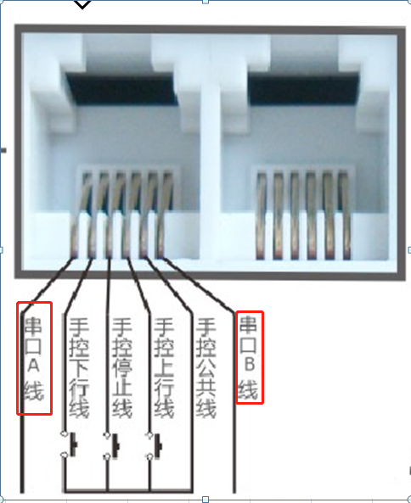

注意：
1）The USB to 485 tool can be connected to the A and B of the device port, and the two ports of the opening and closing curtain have the same function, as shown on the left.
2）A and B ports of the RS485 device are pins 1 and 6,
3）curtain motor port is RJ11 6pin crystal head
4）Avoid wiring with strong wires when wiring, to avoid interference.

通讯检查
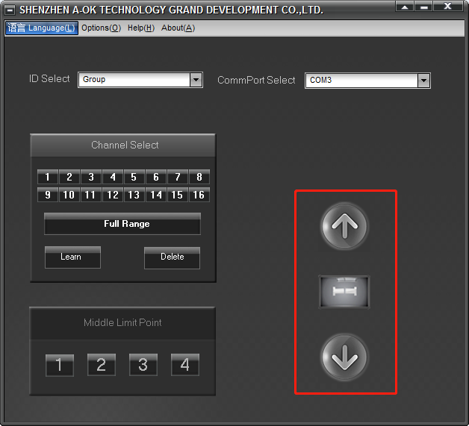
A method of judging whether a communication is successful or not, and some unsuccessful methods of checking.

一、AOK software
Step 1: open the software and select the correct parameters
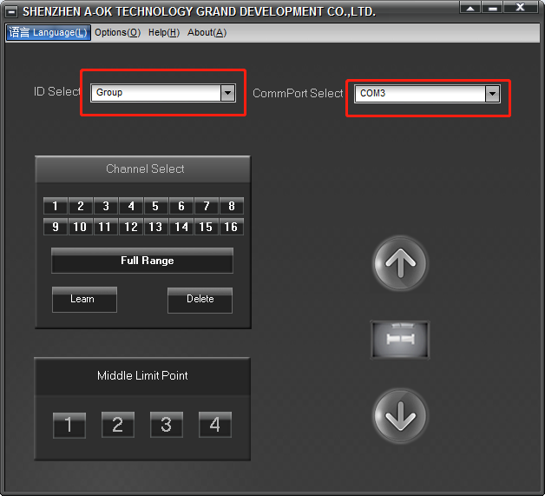

Step 2: Operate the control button to see if the motor can communicate successfully.

设置设备功能信息
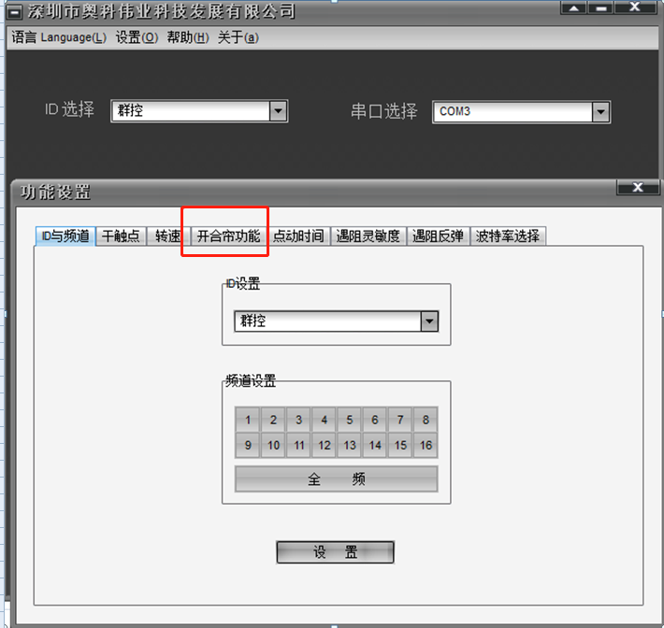
一、How to setting the function.

Step 1: Open the software, select the correct port, open the settings
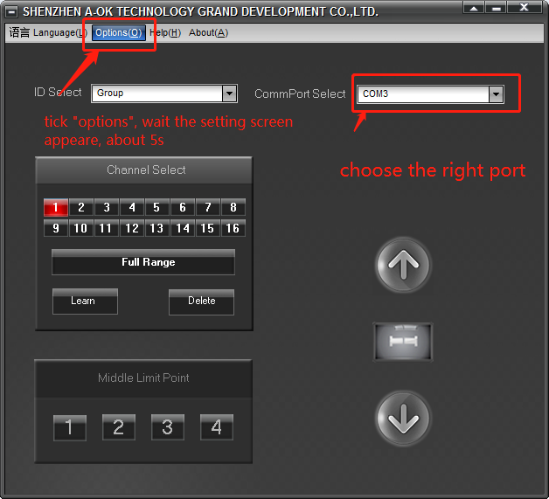

第二步：Enter setting interface.select the curtain function
If setting success, curtain motor blue light will flashes three times

